Sheet 1
 |  |  |  |  |  |  |  |  |  |  |  |  |  |  | 666
Parcel | FOTO | Gender | SKU | Style | Fabric | Color | Style description | merchandise category | Size | EAN barcode | MadeIn | Composizione | RRP | WHS | QTY
00076210970006476508 | 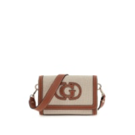 | W | HWAG9524190NRC | HWAG95 | 24190 | NRC | SEBINA FLAP SHOULDER | BAGS | T/U | 7626741563128 | VN VIETNAM | HTY - 62%Cotton / 31%Polyester / 7%Viscose / | 135.00 € | 56.00 € | 7
00076210970006476508 | 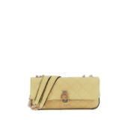 | W | HWGG9522210DAI | HWGG95 | 22210 | DAI | BESSEY CONVERTIBLE X | BAGS | T/U | 7626741559169 | KH CAMBODIA | AFX - 100%Polyamide / | 135.00 € | 56.00 € | 7
00076210970006476591 |  | W | HWAG9524190NRC | HWAG95 | 24190 | NRC | SEBINA FLAP SHOULDER | BAGS | T/U | 7626741563128 | VN VIETNAM | HTY - 62%Cotton / 31%Polyester / 7%Viscose / | 135.00 € | 56.00 € | 12
00076210970006476539 |  | W | HWGG9522210DAI | HWGG95 | 22210 | DAI | BESSEY CONVERTIBLE X | BAGS | T/U | 7626741559169 | KH CAMBODIA | AFX - 100%Polyamide / | 135.00 € | 56.00 € | 16
00076210970006476560 | 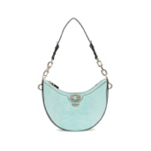 | W | HWKG9531180AQR | HWKG95 | 31180 | AQR | ORLINA TOP ZIP SHOUL | BAGS | T/U | 7626741562558 | VN VIETNAM | E4P - 100%Polyurethane / | 125.00 € | 51.00 € | 10
00076210970006476447 | 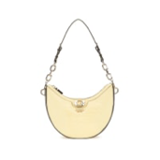 | W | HWKG9531180CSL | HWKG95 | 31180 | CSL | ORLINA TOP ZIP SHOUL | BAGS | T/U | 7626741562572 | VN VIETNAM | E4P - 100%Polyurethane / | 125.00 € | 51.00 € | 10
00076210970006476485 |  | W | HWKG9531180CSL | HWKG95 | 31180 | CSL | ORLINA TOP ZIP SHOUL | BAGS | T/U | 7626741562572 | VN VIETNAM | E4P - 100%Polyurethane / | 125.00 € | 51.00 € | 10
00076210970006356657 | 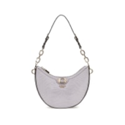 | W | HWKG9531180LVG | HWKG95 | 31180 | LVG | ORLINA TOP ZIP SHOUL | BAGS | T/U | 7626741562589 | VN VIETNAM | E4P - 100%Polyurethane / | 125.00 € | 51.00 € | 9
00076210970006356664 |  | W | HWKG9531180LVG | HWKG95 | 31180 | LVG | ORLINA TOP ZIP SHOUL | BAGS | T/U | 7626741562589 | VN VIETNAM | E4P - 100%Polyurethane / | 125.00 € | 51.00 € | 9
00076210970006476546 | 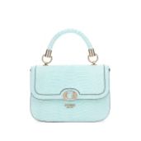 | W | HWKG9531200AQR | HWKG95 | 31200 | AQR | ORLINA TOP HANDLE FL | BAGS | T/U | 7626741562602 | VN VIETNAM | AFX - 100%Polyamide / | 135.00 € | 56.00 € | 12
00076210970006765985 | 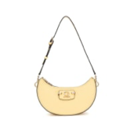 | W | HWBG9637170CSL | HWBG96 | 37170 | CSL | NASTRA TOP ZIP SHOUL | BAGS | T/U | 7620837314601 | CN CHINA | E4J - 100%Polyurethane / | 125.00 € | 51.00 € | 16
00076210970006766005 |  | W | HWBG9637170CSL | HWBG96 | 37170 | CSL | NASTRA TOP ZIP SHOUL | BAGS | T/U | 7620837314601 | CN CHINA | E4J - 100%Polyurethane / | 125.00 € | 51.00 € | 16
00076210970006766111 | 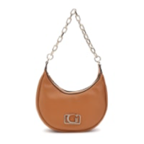 | W | HWBG9642010COG | HWBG96 | 42010 | COG | CIRCE HOBO SHOULDER | BAGS | T/U | 7620837314854 | MM MYANMAR | E4J - 100%Polyurethane / | 145.00 € | 60.00 € | 8
00076210970006765916 | 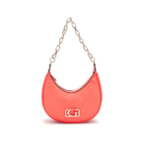 | W | HWBG9642010CRD | HWBG96 | 42010 | CRD | CIRCE HOBO SHOULDER | BAGS | T/U | 7620837314861 | MM MYANMAR | E4J - 100%Polyurethane / | 145.00 € | 60.00 € | 8
00076210970006766098 | 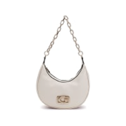 | W | HWBG9642010SHE | HWBG96 | 42010 | SHE | CIRCE HOBO SHOULDER | BAGS | T/U | 7620837314885 | MM MYANMAR | E4J - 100%Polyurethane / | 145.00 € | 60.00 € | 8
00076210970006766128 |  | W | HWBG9642010SHE | HWBG96 | 42010 | SHE | CIRCE HOBO SHOULDER | BAGS | T/U | 7620837314885 | MM MYANMAR | E4J - 100%Polyurethane / | 145.00 € | 60.00 € | 8
00076210970006496087 | 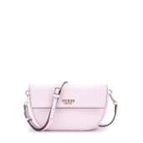 | W | HWBG9645190ORC | HWBG96 | 45190 | ORC | CERELIA FLAP SHOULDE | BAGS | T/U | 7620837314984 | MM MYANMAR | E4J - 100%Polyurethane / | 125.00 € | 51.00 € | 10
00076210970006496025 | 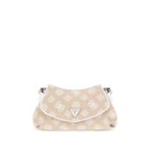 | W | HWJG9627190WLO | HWJG96 | 27190 | WLO | BEYZA FLAP SHOULDER | BAGS | T/U | 7620837316032 | MM MYANMAR | IEW - 80%Polyester / 20%Cotton / | 135.00 € | 56.00 € | 4
00076210970006496094 | 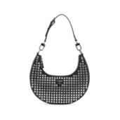 | W | HWIM9205010BLA | HWIM92 | 05010 | BLA | LUA SMALL HOBO | EVENINGS-BAGS | T/U | 7620837315974 | MM MYANMAR | E4T - 100%Polyester / | 155.00 € | 64.00 € | 24
00076210970006805629 | 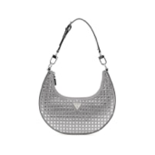 | W | HWIY9205010SIL | HWIY92 | 05010 | SIL | LUA SMALL HOBO | EVENINGS-BAGS | T/U | 7620837315998 | MM MYANMAR | E4T - 100%Polyester / | 155.00 € | 64.00 € | 24
00076210970006496070 | 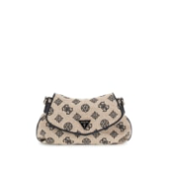 | W | HWJG9627190BLO | HWJG96 | 27190 | BLO | BEYZA FLAP SHOULDER | BAGS | T/U | 7620837316018 | MM MYANMAR | IEW - 80%Polyester / 20%Cotton / | 135.00 € | 56.00 € | 8
00076210970006496124 |  | W | HWJG9627190WLO | HWJG96 | 27190 | WLO | BEYZA FLAP SHOULDER | BAGS | T/U | 7620837316032 | MM MYANMAR | IEW - 80%Polyester / 20%Cotton / | 135.00 € | 56.00 € | 8
00076210970006496131 | 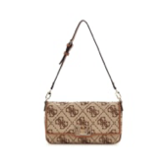 | W | HWJO9642190LTL | HWJO96 | 42190 | LTL | CIRCE FLAP SHOULDER | BAGS | T/U | 7620837316094 | MM MYANMAR | E4T - 100%Polyester / | 135.00 € | 56.00 € | 9
00076210970006810852 | 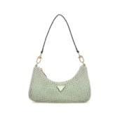 | W | HWOR9350720CDN | HWOR93 | 50720 | CDN | ZALINA MINI TOP ZIP | EVENINGS-BAGS | T/U | 7620837316247 | MM MYANMAR | HBC - 99%Aluminium / 1%Metal fibre / | 155.00 € | 64.00 € | 3
00076210970006810869 |  | W | HWOR9350720CDN | HWOR93 | 50720 | CDN | ZALINA MINI TOP ZIP | EVENINGS-BAGS | T/U | 7620837316247 | MM MYANMAR | HBC - 99%Aluminium / 1%Metal fibre / | 155.00 € | 64.00 € | 24
00076210970005237544 | 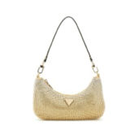 | W | HWOR9350720GOL | HWOR93 | 50720 | GOL | ZALINA MINI TOP ZIP | EVENINGS-BAGS | T/U | 7620837316254 | MM MYANMAR | HBC - 99%Aluminium / 1%Metal fibre / | 155.00 € | 64.00 € | 18
00076210970005237551 |  | W | HWOR9350720GOL | HWOR93 | 50720 | GOL | ZALINA MINI TOP ZIP | EVENINGS-BAGS | T/U | 7620837316254 | MM MYANMAR | HBC - 99%Aluminium / 1%Metal fibre / | 155.00 € | 64.00 € | 19
00076210970006805582 | 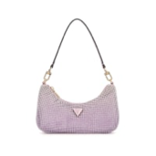 | W | HWOR9350720ORC | HWOR93 | 50720 | ORC | ZALINA MINI TOP ZIP | EVENINGS-BAGS | T/U | 7620837316261 | MM MYANMAR | HBC - 99%Aluminium / 1%Metal fibre / | 155.00 € | 64.00 € | 24
00076210970005237537 | 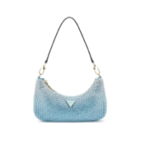 | W | HWOR9350720PWB | HWOR93 | 50720 | PWB | ZALINA MINI TOP ZIP | EVENINGS-BAGS | T/U | 7620837316278 | MM MYANMAR | HBC - 99%Aluminium / 1%Metal fibre / | 155.00 € | 64.00 € | 11
00076210970006772884 |  | W | HWOR9350720PWB | HWOR93 | 50720 | PWB | ZALINA MINI TOP ZIP | EVENINGS-BAGS | T/U | 7620837316278 | MM MYANMAR | HBC - 99%Aluminium / 1%Metal fibre / | 155.00 € | 64.00 € | 18
00076210970006755092 | 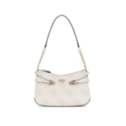 | W | HWOS9639180BNN | HWOS96 | 39180 | BNN | LORELEI TOP ZIP SHOU | BAGS | T/U | 7620837316346 | KH CAMBODIA | E4J - 100%Polyurethane / | 125.00 € | 51.00 € | 16
00076210970006755061 | 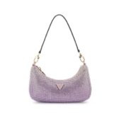 | W | HWOY9350720SIL | HWOY93 | 50720 | SIL | ZALINA MINI TOP ZIP | EVENINGS-BAGS | T/U | 7620837316407 | MM MYANMAR | HBC - 99%Aluminium / 1%Metal fibre / | 155.00 € | 64.00 € | 24
00076210970006755078 |  | W | HWOY9350720SIL | HWOY93 | 50720 | SIL | ZALINA MINI TOP ZIP | EVENINGS-BAGS | T/U | 7620837316407 | MM MYANMAR | HBC - 99%Aluminium / 1%Metal fibre / | 155.00 € | 64.00 € | 24
00076210970006781527 | 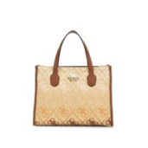 | W | HWSW8665220COL | HWSW86 | 65220 | COL | SILVANA 2 COMP TOTE | BAGS | T/U | 7620837317367 | ID INDONESIA | IEP - 53%Polypropylene / 34%Polyester / 6%Cotton / 7%Other Fibres / | 155.00 € | 64.00 € | 4
00076210970006781534 |  | W | HWSW8665220COL | HWSW86 | 65220 | COL | SILVANA 2 COMP TOTE | BAGS | T/U | 7620837317367 | ID INDONESIA | IEP - 53%Polypropylene / 34%Polyester / 6%Cotton / 7%Other Fibres / | 155.00 € | 64.00 € | 4
00076210970006781541 |  | W | HWSW8665220COL | HWSW86 | 65220 | COL | SILVANA 2 COMP TOTE | BAGS | T/U | 7620837317367 | ID INDONESIA | IEP - 53%Polypropylene / 34%Polyester / 6%Cotton / 7%Other Fibres / | 155.00 € | 64.00 € | 4
00076210970006781558 |  | W | HWSW8665220COL | HWSW86 | 65220 | COL | SILVANA 2 COMP TOTE | BAGS | T/U | 7620837317367 | ID INDONESIA | IEP - 53%Polypropylene / 34%Polyester / 6%Cotton / 7%Other Fibres / | 155.00 € | 64.00 € | 4
00076210970006357081 | 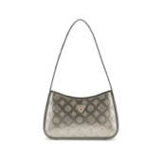 | W | HWTV9496170PWL | HWTV94 | 96170 | PWL | ARNELA TOP ZIP SHOUL | BAGS | T/U | 7620837317572 | MM MYANMAR | E4J - 100%Polyurethane / | 125.00 € | 51.00 € | 12
00076210970006357098 |  | W | HWTV9496170PWL | HWTV94 | 96170 | PWL | ARNELA TOP ZIP SHOUL | BAGS | T/U | 7620837317572 | MM MYANMAR | E4J - 100%Polyurethane / | 125.00 € | 51.00 € | 12
00076210970006357128 | 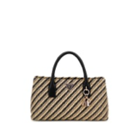 | W | HWWG9210050NTB | HWWG92 | 10050 | NTB | SIMONA SMALL SATCHEL | BAGS | T/U | 7620837317909 | ID INDONESIA | IEQ - 100%Polypropylene / | 145.00 € | 60.00 € | 6
00076210970006357043 | 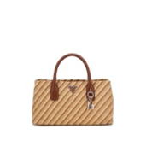 | W | HWWG9210050NTC | HWWG92 | 10050 | NTC | SIMONA SMALL SATCHEL | BAGS | T/U | 7620837317916 | ID INDONESIA | IEQ - 100%Polypropylene / | 145.00 € | 60.00 € | 6
00076210970006457774 | 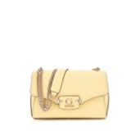 | W | HWBG9637210CSL | HWBG96 | 37210 | CSL | NASTRA CONVERTIBLE X | BAGS | T/U | 7620837314656 | CN CHINA | E4J - 100%Polyurethane / | 135.00 € | 56.00 € | 12
00076210970006457781 |  | W | HWBG9637210CSL | HWBG96 | 37210 | CSL | NASTRA CONVERTIBLE X | BAGS | T/U | 7620837314656 | CN CHINA | E4J - 100%Polyurethane / | 135.00 € | 56.00 € | 12
00076210970006457798 |  | W | HWBG9637210CSL | HWBG96 | 37210 | CSL | NASTRA CONVERTIBLE X | BAGS | T/U | 7620837314656 | CN CHINA | E4J - 100%Polyurethane / | 135.00 € | 56.00 € | 12
00076210970006805568 | 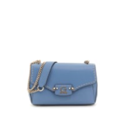 | W | HWBG9637210SLA | HWBG96 | 37210 | SLA | NASTRA CONVERTIBLE X | BAGS | T/U | 7620837314670 | CN CHINA | E4J - 100%Polyurethane / | 135.00 € | 56.00 € | 17
00076210970005238251 | 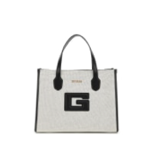 | W | HWWG9198220NTB | HWWG91 | 98220 | NTB | G STATUS 2 COMPARTME | BAGS | T/U | 7620837317879 | CN CHINA | HQC - 62%Cotton / 31%Polyester / 7%Rayon / | 155.00 € | 64.00 € | 5
00076210970005238282 |  | W | HWWG9198220NTB | HWWG91 | 98220 | NTB | G STATUS 2 COMPARTME | BAGS | T/U | 7620837317879 | CN CHINA | HQC - 62%Cotton / 31%Polyester / 7%Rayon / | 155.00 € | 64.00 € | 5
00076210970005238329 |  | W | HWWG9198220NTB | HWWG91 | 98220 | NTB | G STATUS 2 COMPARTME | BAGS | T/U | 7620837317879 | CN CHINA | HQC - 62%Cotton / 31%Polyester / 7%Rayon / | 155.00 € | 64.00 € | 4
00076210970006476331 | 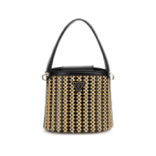 | W | HWWG9647030NTB | HWWG96 | 47030 | NTB | ATALIA CROSSBODY BUC | BAGS | T/U | 7620837318111 | MM MYANMAR | IER - 72%Polypropylene / 28%Polyester / | 145.00 € | 60.00 € | 8
00076210970006476348 |  | W | HWWG9647030NTB | HWWG96 | 47030 | NTB | ATALIA CROSSBODY BUC | BAGS | T/U | 7620837318111 | MM MYANMAR | IER - 72%Polypropylene / 28%Polyester / | 145.00 € | 60.00 € | 8
00076210970006476355 |  | W | HWWG9647030NTB | HWWG96 | 47030 | NTB | ATALIA CROSSBODY BUC | BAGS | T/U | 7620837318111 | MM MYANMAR | IER - 72%Polypropylene / 28%Polyester / | 145.00 € | 60.00 € | 8
00076210970006476362 |  | W | HWWG9647030NTB | HWWG96 | 47030 | NTB | ATALIA CROSSBODY BUC | BAGS | T/U | 7620837318111 | MM MYANMAR | IER - 72%Polypropylene / 28%Polyester / | 145.00 € | 60.00 € | 8
00076210970006476379 |  | W | HWWG9647030NTB | HWWG96 | 47030 | NTB | ATALIA CROSSBODY BUC | BAGS | T/U | 7620837318111 | MM MYANMAR | IER - 72%Polypropylene / 28%Polyester / | 145.00 € | 60.00 € | 8
00076210970006476386 |  | W | HWWG9647030NTB | HWWG96 | 47030 | NTB | ATALIA CROSSBODY BUC | BAGS | T/U | 7620837318111 | MM MYANMAR | IER - 72%Polypropylene / 28%Polyester / | 145.00 € | 60.00 € | 8
00076210970005238343 | 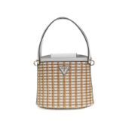 | W | HWWG9647030NTW | HWWG96 | 47030 | NTW | ATALIA CROSSBODY BUC | BAGS | T/U | 7620837318128 | MM MYANMAR | IER - 72%Polypropylene / 28%Polyester / | 145.00 € | 60.00 € | 8
00076210970006476263 |  | W | HWWG9647030NTW | HWWG96 | 47030 | NTW | ATALIA CROSSBODY BUC | BAGS | T/U | 7620837318128 | MM MYANMAR | IER - 72%Polypropylene / 28%Polyester / | 145.00 € | 60.00 € | 8
00076210970006476270 |  | W | HWWG9647030NTW | HWWG96 | 47030 | NTW | ATALIA CROSSBODY BUC | BAGS | T/U | 7620837318128 | MM MYANMAR | IER - 72%Polypropylene / 28%Polyester / | 145.00 € | 60.00 € | 8
00076210970006476300 |  | W | HWWG9647030NTW | HWWG96 | 47030 | NTW | ATALIA CROSSBODY BUC | BAGS | T/U | 7620837318128 | MM MYANMAR | IER - 72%Polypropylene / 28%Polyester / | 145.00 € | 60.00 € | 8
00076210970006476317 |  | W | HWWG9647030NTW | HWWG96 | 47030 | NTW | ATALIA CROSSBODY BUC | BAGS | T/U | 7620837318128 | MM MYANMAR | IER - 72%Polypropylene / 28%Polyester / | 145.00 € | 60.00 € | 8
00076210970006476324 |  | W | HWWG9647030NTW | HWWG96 | 47030 | NTW | ATALIA CROSSBODY BUC | BAGS | T/U | 7620837318128 | MM MYANMAR | IER - 72%Polypropylene / 28%Polyester / | 145.00 € | 60.00 € | 8
00076210970006740210 | 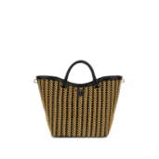 | W | HWWG9647220NTB | HWWG96 | 47220 | NTB | ATALIA TOTE | BAGS | T/U | 7620837318135 | MM MYANMAR | IER - 72%Polypropylene / 28%Polyester / | 175.00 € | 72.00 € | 4
00076210970006740227 |  | W | HWWG9647220NTB | HWWG96 | 47220 | NTB | ATALIA TOTE | BAGS | T/U | 7620837318135 | MM MYANMAR | IER - 72%Polypropylene / 28%Polyester / | 175.00 € | 72.00 € | 4
00076210970006740234 |  | W | HWWG9647220NTB | HWWG96 | 47220 | NTB | ATALIA TOTE | BAGS | T/U | 7620837318135 | MM MYANMAR | IER - 72%Polypropylene / 28%Polyester / | 175.00 € | 72.00 € | 4
00076210970006766074 | 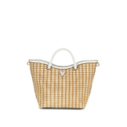 | W | HWWG9647220NTW | HWWG96 | 47220 | NTW | ATALIA TOTE | BAGS | T/U | 7620837318142 | MM MYANMAR | IER - 72%Polypropylene / 28%Polyester / | 175.00 € | 72.00 € | 4
00076210970006772846 |  | W | HWWG9647220NTW | HWWG96 | 47220 | NTW | ATALIA TOTE | BAGS | T/U | 7620837318142 | MM MYANMAR | IER - 72%Polypropylene / 28%Polyester / | 175.00 € | 72.00 € | 1

